Intro
HEURISTIC EVALUATION Template
Based on Jakob Nielsen's | 10 Usability Heuristics for User Interface Design |  |  | Make a copy Google sign-in required

Created by | Formulas by | Inspired by
Jason Ogle | @LukeJohnson8 | @jordisan

What are Heuristics?

Heuristics are mental shortcuts that allow an individual to make a decision, pass judgment, or solve a problem quickly and with minimal mental effort. As humans move throughout the world, they must process large amounts of information and make many choices within limited amounts of time. When information is missing, or an immediate decision is necessary, heuristics act as “rules of thumb” that guide behavior down the most efficient pathway.

Why Heuristics?

It's estimated that the average adult makes about 35,000 remotely conscious decisions each day. Inconsistent UI, unfamiliar design patterns, poor error-handling and lack of minimal design in software can cause cognitive load, confusion, frustration and ultimately, abandonment for users as they are forced to think too much and/or struggle to make the right decisions on the paths to accomplishing tasks and achieving their goals.

Heuristics Process

The most optimal approach I've found is to identify and document the top 10 tasks of an app or website and evaluate them through the lens of Jakob Nielsen's 10 Usability Heuristics. Although it's entirely possible to do this on your own, it's great to invite 3-5 participants when conducting these evaluations as it opens up multiple data points. Anytime we as a group identify relevant heuristics, we will document them in the corresponding tab. When an issue is identified that requires further User Research to validate, we'll use the UXR check box to signify those. Bear in mind and that some heuristics may not apply to every system being evaluated.

Heuristics Outcome

After identifying and documenting the issues, we'll gauge their severity, identify items requiring User Research (UXR), prioritize them onto a public backlog, and synthesize and share the results with leadership, teammates and stakeholders.
Severity Scale | View graphic in Figma

Since we’re using Jakob Nielsen's 10 Usability Heuristics to measure against, it also made sense to use his Severity Scale when evaluating findings.
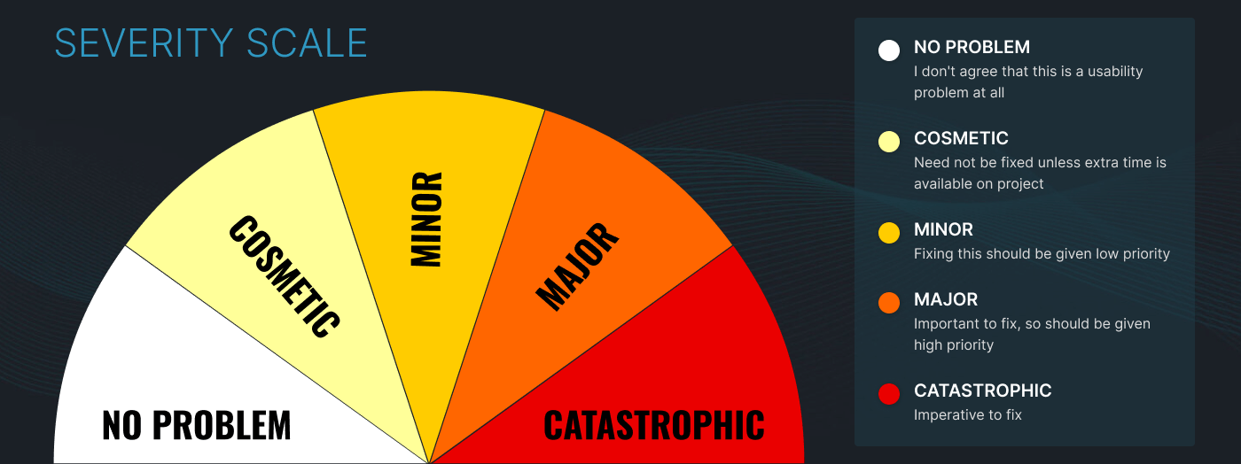

Results | View graphic in Figma

After you've completed your Heuristic Evaluation, you'll see a tab toward the end called Totals. This will tally up counts and percentages related to your findings. You can then present them in a graphical way like this.

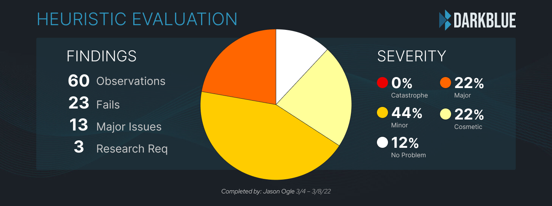

How To Use | Make a copy Google sign-in required |  | Intro Video | Live Demo Video

1. Start by naming the system you're evaluating in the space provided on the #1 tab (which will populate on subsequent tabs) 2. Once you start typing in any Observation column, an issue # will automatically be created in far left # column 3. Try to avoid clearing entire rows (e.g. Select row > Clear). This removes the automatic issue # formula in # column 4. Take and annotate screenshots of every issue (e.g. red circle or arrow pointing to the problem) 5. Use this screenshot naming convention to keep them organized (01-01 = #1 Visibility of System Status - Observation 1) 6. Upload screenshots to a team repository (e.g. Confluence) and link to them in the Screenshot column 7. If Jira ticket created, link to it in the Jira column (mention heuristic screenshot number in the Jira description for cross reference) 8. Even though you're mostly finding system probs, it's okay & recommended to call out great solutions the system is bringing 9. Upon completion of HE, reference the Totals tab to create a visual, update Confluence, setup meeting, create a backlog 10. Keep making things better by making better things!

